Contact us BUG
Център за обучение по софтуерно тестване Website: http://skillo-bg.com

Bug ID | PSB007
Name | Contact us Form doesn't work
Priority | P3
Severity | S3
Description | After the user writes a message through contact us form an error occurs
Steps to reproduce | 1. Go to https://phptravels.com 2. Click Log in 3. Click Contact us 4. Write a message with valid data and click Send Expected result: "Thank you for your message" should be shown Actual result: There is an error "The following errors occurred: An error occurred, please try again later."
Attachment | 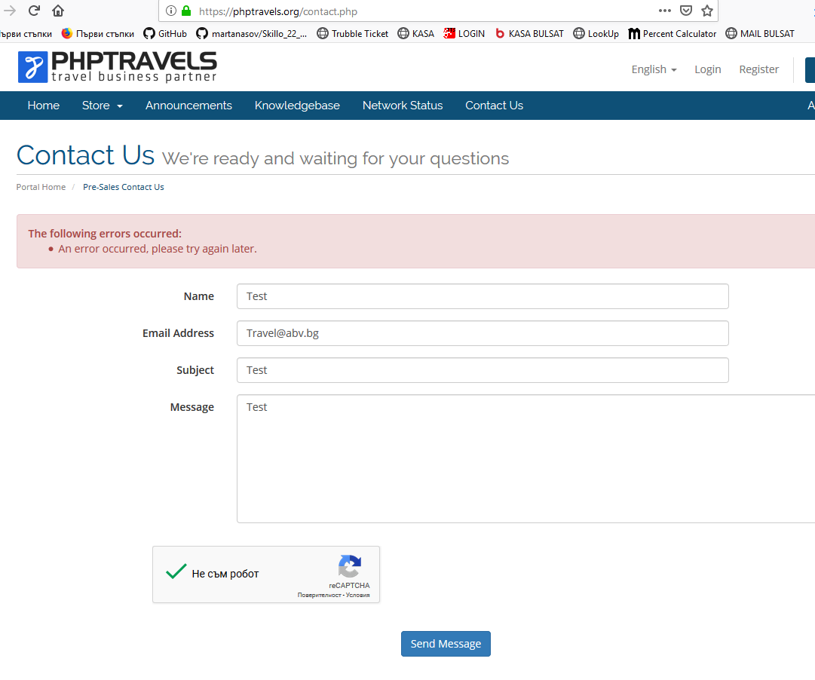 Created at 13:15 PM, EEST UTC/GMT +3 hours
Status | New/ To Do
Component | Contact us Form
Version/Build number (Found in) | v.3.3
Environment | Mozilla Firefox Version 67; IE11
Comments
Date Created | 28.05.2019
Author | Svetla Lukanova
Audit Log | Svetla Lukanova created the bug on 28.05.2019

Registration BUG
Център за обучение по софтуерно тестване Website: http://skillo-bg.com

Bug ID | PSB008
Name | Registration form is not working
Priority | P1
Severity | S3
Description | A new user could not register to the site because the system does not accept valid phone numbers
Steps to reproduce | 1. Go to https://phptravels.com 2. Click Log in 3. Click Register button from the Account Drop Down menu 4. Write valid data and click Register Expected result: The system should register the new customer Actual result: There is an error " The following errors occurred: Mobile Number is required"
Attachment | 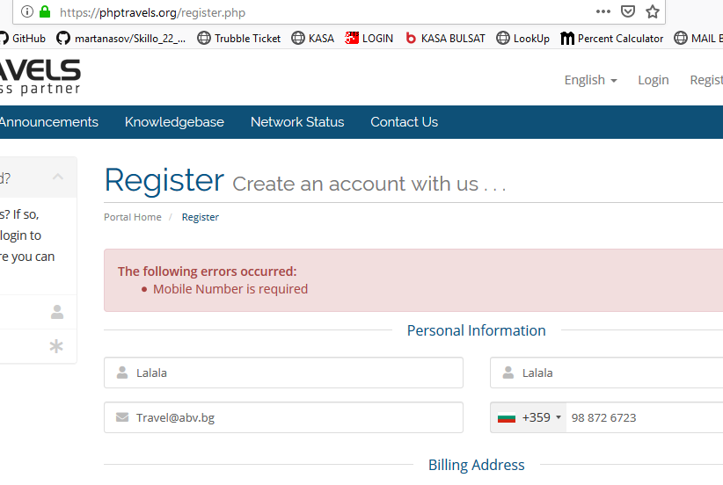 Created at 15:30 PM, EEST UTC/GMT +3 hours
Status | New/ To Do
Component | Register Form
Version/Build number (Found in) | v.3.3
Environment | Mozilla Firefox Version 67; IE11
Comments | The same is with all other countries
Date Created | 28.05.2019
Author | Svetla Lukanova
Audit Log | Svetla Lukanova created the bug on 28.05.2019

